Graphics
 | Max Frequency (spike/sec) |  |  |  | Average of Aps |  |  |  |  | Representative
 | Control | CMZ 1 μM | % of increase |  | Control | CMZ 1 μM | % of increase | 2023-03-20-0002 | Sweep 13 |  | 2023-03-20-0004 | Sweep 13
 | 11 | 18 | 63.64 |  | 5 | 5.96875 | 19.38 | Control | 120 pA |  | CMZ 1 µM | 120 pA
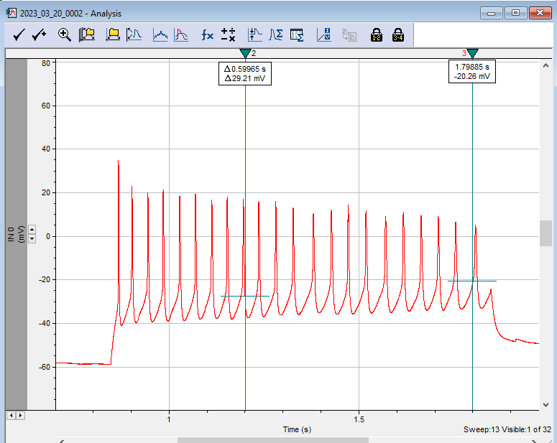
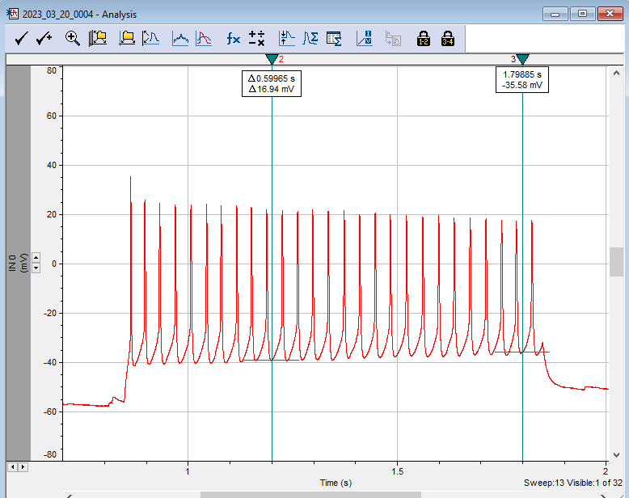
 | 17 | 20 | 17.65 |  | 5.53125 | 5.6875 | 2.82
 | 4 | 9 | 125.00 |  | 2.3125 | 2.84375 | 22.97
 | 8 | 12 | 50.00 |  | 3.21875 | 3.78125 | 17.48
 | 11 | 12 | 9.09 |  | 3.125 | 3.59375 | 15.00
 | 3 | 6 | 100.00 |  | 2.09375 | 2.3125 | 10.45
 | 6 | 6 | 0.00 |  | 2.78125 | 2.71875 | -2.25
 | 22 | 27 | 22.73 |  | 7.5625* | 13.40625*
 | 5 | 8 | 60.00 |  | 2.1875 | 2.4375 | 11.43
 | 8 | 13 | 62.50 |  | 3.6875 | 4 | 8.47
Average | 9.50 | 13.10 | 51.06 | Average | 3.33 | 3.70 | 11.75
SD | 5.45 | 6.11 | 36.33 | SD | 1.09 | 1.20 | 7.18
SEM | 1.72 | 1.93 | 11.49 | SEM | 0.35 | 0.38 | 2.27

 |  |  |  |  |  |  |  | I chose these traces because they match with traces from the paper at 120 pA (Fig. 3C)

 | 2023_03_20_0000: Gapfree at 40 pA: 0-20 sec with bath, 21-50 sec with CMZ, 51 to the end wash
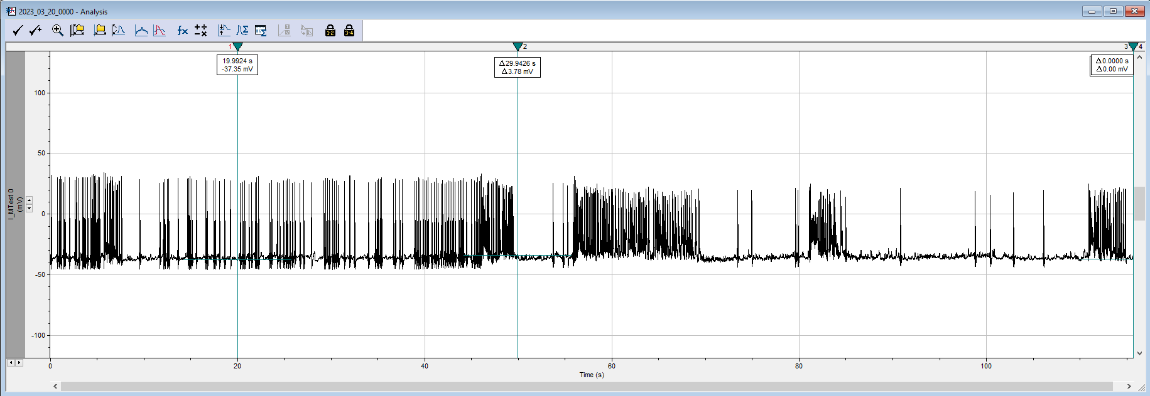
Bath
CMZ 1 uM
Wash

2023_02_28_0006
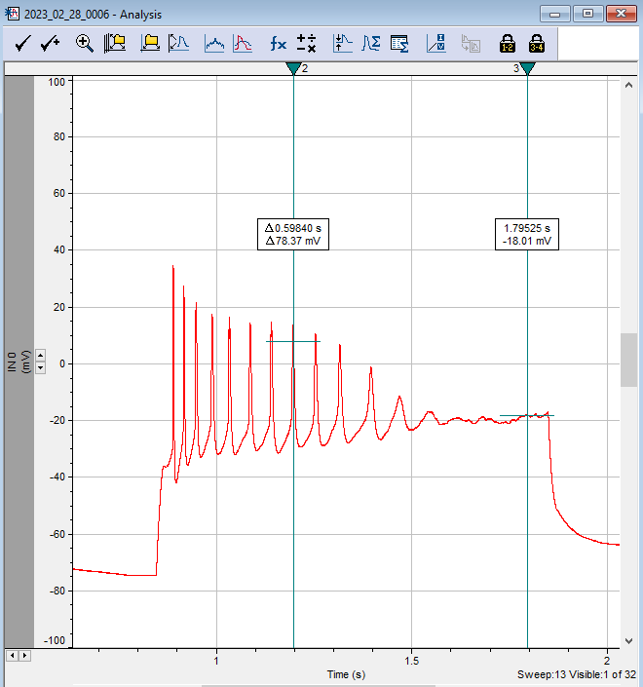

2023-02-28-0006 | Sweep | current pA | # of AP | Normalized | 2023-02-28-0007 | Sweep | current pA | # of AP | normalized | Fold increase
Control | 1 | 0 | 0 | 0.0 | CMZ 1 µM | 1 | 0 | 0 | 0 | 1
 | 2 | 10 | 0 | 0.0 |  | 2 | 10 | 0 | 0 | 1
 | 3 | 20 | 0 | 0.0 |  | 3 | 20 | 0 | 0 | 1
 | 4 | 30 | 2 | 0.4 |  | 4 | 30 | 0 | 0 | 1
 | 5 | 40 | 4 | 0.8 |  | 5 | 40 | 0 | 0 | 1
 | 6 | 50 | 6 | 1.2 |  | 6 | 50 | 2 | 0.4 | 0.33333333333
 | 7 | 60 | 7 | 1.4 |  | 7 | 60 | 4 | 0.8 | 0.57142857143
 | 8 | 70 | 8 | 1.6 |  | 8 | 70 | 5 | 1 | 0.625
 | 9 | 80 | 11 | 2.2 |  | 9 | 80 | 11 | 2.2 | 1
 | 10 | 90 | 10 | 2.0 |  | 10 | 90 | 10 | 2 | 1
 | 11 | 100 | 15 | 3.0 |  | 11 | 100 | 11 | 2.2 | 0.73333333333
 | 12 | 110 | 7 | 1.4 |  | 12 | 110 | 9 | 1.8 | 1.2857142857
Representative | 13 | 120 | 11 | 2.2 |  | 13 | 120 | 18 | 3.6 | 1.6363636364
 | 14 | 130 | 9 | 1.8 |  | 14 | 130 | 13 | 2.6 | 1.4444444444
 | 15 | 140 | 8 | 1.6 |  | 15 | 140 | 13 | 2.6 | 1.625
 | 16 | 150 | 6 | 1.2 |  | 16 | 150 | 12 | 2.4 | 2
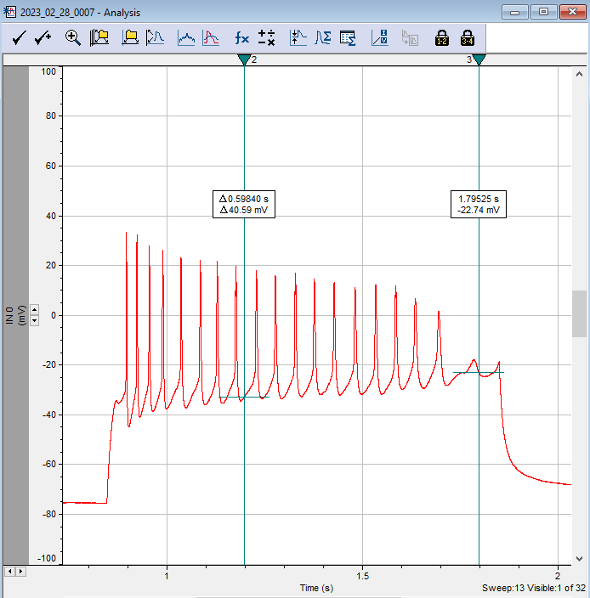
 | 17 | 160 | 6 | 1.2 |  | 17 | 160 | 9 | 1.8 | 1.5
 | 18 | 170 | 5 | 1.0 |  | 18 | 170 | 10 | 2 | 2
 | 19 | 180 | 5 | 1.0 |  | 19 | 180 | 8 | 1.6 | 1.6
 | 20 | 190 | 4 | 0.8 |  | 20 | 190 | 5 | 1 | 1.25
 | 21 | 200 | 4 | 0.8 |  | 21 | 200 | 5 | 1 | 1.25
 | 22 | 210 | 4 | 0.8 |  | 22 | 210 | 6 | 1.2 | 1.5
 | 23 | 220 | 3 | 0.6 |  | 23 | 220 | 5 | 1 | 1.6666666667
 | 24 | 230 | 3 | 0.6 |  | 24 | 230 | 5 | 1 | 1.6666666667
 | 25 | 240 | 3 | 0.6 |  | 25 | 240 | 4 | 0.8 | 1.3333333333
 | 26 | 250 | 3 | 0.6 |  | 26 | 250 | 5 | 1 | 1.6666666667
 | 27 | 260 | 3 | 0.6 |  | 27 | 260 | 4 | 0.8 | 1.3333333333
 | 28 | 270 | 3 | 0.6 |  | 28 | 270 | 4 | 0.8 | 1.3333333333
 | 29 | 280 | 3 | 0.6 |  | 29 | 280 | 3 | 0.6 | 1
 | 30 | 290 | 3 | 0.6 |  | 30 | 290 | 3 | 0.6 | 1
 | 31 | 300 | 3 | 0.6 |  | 31 | 300 | 4 | 0.8 | 1.3333333333
 | 32 | 310 | 1 | 0.2 |  | 32 | 310 | 3 | 0.6 | 3
 | mean |  | 5 |  |  | mean |  | 5.96875

2023_02_28_0013
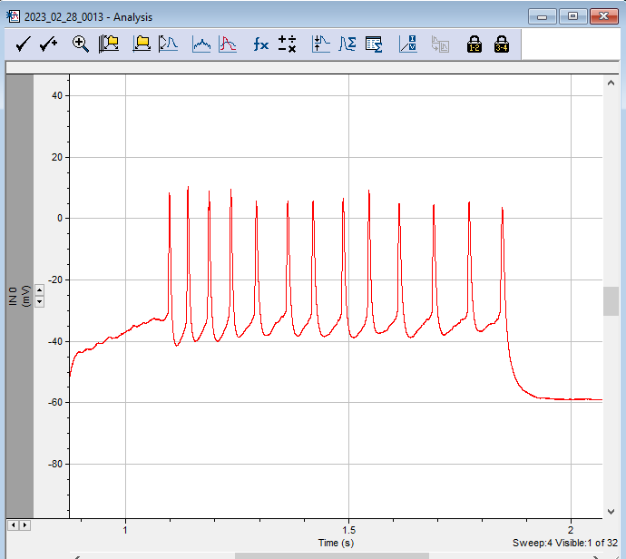

2023-02-28-0013 | Sweep | current pA | # of AP | Normalized | 2023-02-28-0014 | Sweep | current pA | # of AP | normalized | Fold increase
Control | 1 | 0 | 0 | 0 | CMZ 1 µM | 1 | 0 | 0 | 0 | 1
 | 2 | 10 | 0 | 0 |  | 2 | 10 | 0 | 0 | 1
 | 3 | 20 | 6 | 1.0847457627 |  | 3 | 20 | 7 | 1.2655367232 | 1.1666666667
Representative | 4 | 30 | 13 | 2.3502824859 |  | 4 | 30 | 18 | 3.2542372881 | 1.3846153846
 | 5 | 40 | 17 | 3.0734463277 |  | 5 | 40 | 20 | 3.615819209 | 1.1764705882
 | 6 | 50 | 21 | 3.7966101695 |  | 6 | 50 | 18 | 3.2542372881 | 0.85714285714
 | 7 | 60 | 18 | 3.2542372881 |  | 7 | 60 | 17 | 3.0734463277 | 0.94444444444
 | 8 | 70 | 10 | 1.8079096045 |  | 8 | 70 | 11 | 1.988700565 | 1.1
 | 9 | 80 | 7 | 1.2655367232 |  | 9 | 80 | 7 | 1.2655367232 | 1
 | 10 | 90 | 5 | 0.90395480226 |  | 10 | 90 | 5 | 0.90395480226 | 1
 | 11 | 100 | 5 | 0.90395480226 |  | 11 | 100 | 5 | 0.90395480226 | 1
 | 12 | 110 | 5 | 0.90395480226 |  | 12 | 110 | 4 | 0.72316384181 | 0.8
 | 13 | 120 | 5 | 0.90395480226 |  | 13 | 120 | 4 | 0.72316384181 | 0.8
 | 14 | 130 | 5 | 0.90395480226 |  | 14 | 130 | 4 | 0.72316384181 | 0.8
 | 15 | 140 | 4 | 0.72316384181 |  | 15 | 140 | 3 | 0.54237288136 | 0.75
 | 16 | 150 | 4 | 0.72316384181 |  | 16 | 150 | 4 | 0.72316384181 | 1
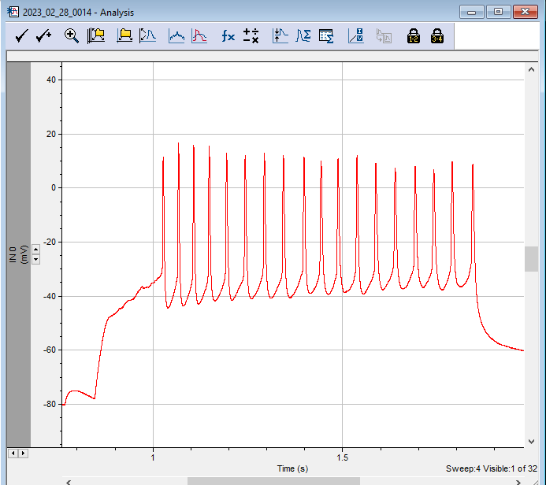
 | 17 | 160 | 3 | 0.54237288136 |  | 17 | 160 | 4 | 0.72316384181 | 1.3333333333
 | 18 | 170 | 4 | 0.72316384181 |  | 18 | 170 | 4 | 0.72316384181 | 1
 | 19 | 180 | 4 | 0.72316384181 |  | 19 | 180 | 4 | 0.72316384181 | 1
 | 20 | 190 | 4 | 0.72316384181 |  | 20 | 190 | 4 | 0.72316384181 | 1
 | 21 | 200 | 4 | 0.72316384181 |  | 21 | 200 | 4 | 0.72316384181 | 1
 | 22 | 210 | 3 | 0.54237288136 |  | 22 | 210 | 4 | 0.72316384181 | 1.3333333333
 | 23 | 220 | 3 | 0.54237288136 |  | 23 | 220 | 3 | 0.54237288136 | 1
 | 24 | 230 | 3 | 0.54237288136 |  | 24 | 230 | 4 | 0.72316384181 | 1.3333333333
 | 25 | 240 | 3 | 0.54237288136 |  | 25 | 240 | 3 | 0.54237288136 | 1
 | 26 | 250 | 3 | 0.54237288136 |  | 26 | 250 | 3 | 0.54237288136 | 1
 | 27 | 260 | 3 | 0.54237288136 |  | 27 | 260 | 3 | 0.54237288136 | 1
 | 28 | 270 | 3 | 0.54237288136 |  | 28 | 270 | 3 | 0.54237288136 | 1
 | 29 | 280 | 3 | 0.54237288136 |  | 29 | 280 | 3 | 0.54237288136 | 1
 | 30 | 290 | 3 | 0.54237288136 |  | 30 | 290 | 3 | 0.54237288136 | 1
 | 31 | 300 | 3 | 0.54237288136 |  | 31 | 300 | 3 | 0.54237288136 | 1
 | 32 | 310 | 3 | 0.54237288136 |  | 32 | 310 | 3 | 0.54237288136 | 1
 | mean |  | 5.53125 |  |  | mean |  | 5.6875

2023_03_01_0001
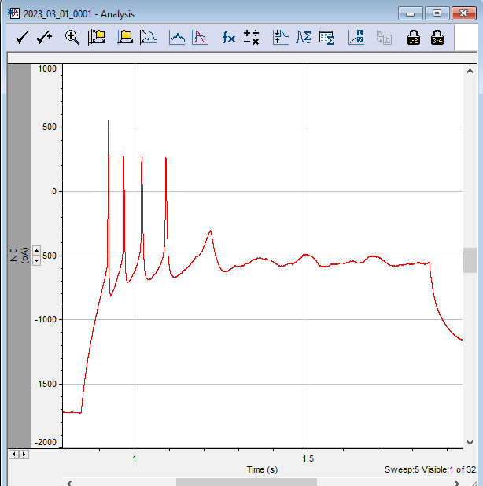

2023-03-01-0001 | Sweep | current pA | # of AP | Normalized | 2023-03-01-0002 | Sweep | current pA | # of AP | normalized | Fold increase
Control | 1 | 0 | 0 | 0 | CMZ 1 µM | 1 | 0 | 0 | 0 | 1
 | 2 | 10 | 0 | 0 |  | 2 | 10 | 0 | 0 | 1
 | 3 | 20 | 2 | 0.86486486486 |  | 3 | 20 | 3 | 1.2972972973 | 1.50
 | 4 | 30 | 5 | 2.1621621622 |  | 4 | 30 | 7 | 3.027027027 | 1.40
Representative | 5 | 40 | 4 | 1.7297297297 |  | 5 | 40 | 9 | 3.8918918919 | 2.25
 | 6 | 50 | 5 | 2.1621621622 |  | 6 | 50 | 8 | 3.4594594595 | 1.60
 | 7 | 60 | 4 | 1.7297297297 |  | 7 | 60 | 5 | 2.1621621622 | 1.25
 | 8 | 70 | 4 | 1.7297297297 |  | 8 | 70 | 4 | 1.7297297297 | 1.00
 | 9 | 80 | 3 | 1.2972972973 |  | 9 | 80 | 4 | 1.7297297297 | 1.33
 | 10 | 90 | 3 | 1.2972972973 |  | 10 | 90 | 3 | 1.2972972973 | 1.00
 | 11 | 100 | 3 | 1.2972972973 |  | 11 | 100 | 3 | 1.2972972973 | 1.00
 | 12 | 110 | 3 | 1.2972972973 |  | 12 | 110 | 3 | 1.2972972973 | 1.00
 | 13 | 120 | 2 | 0.86486486486 |  | 13 | 120 | 3 | 1.2972972973 | 1.50
 | 14 | 130 | 2 | 0.86486486486 |  | 14 | 130 | 3 | 1.2972972973 | 1.50
 | 15 | 140 | 2 | 0.86486486486 |  | 15 | 140 | 3 | 1.2972972973 | 1.50
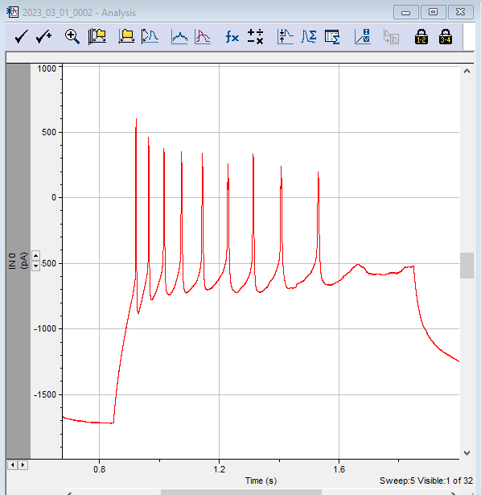
 | 16 | 150 | 2 | 0.86486486486 |  | 16 | 150 | 2 | 0.86486486486 | 1.00
 | 17 | 160 | 2 | 0.86486486486 |  | 17 | 160 | 2 | 0.86486486486 | 1.00
 | 18 | 170 | 2 | 0.86486486486 |  | 18 | 170 | 2 | 0.86486486486 | 1.00
 | 19 | 180 | 2 | 0.86486486486 |  | 19 | 180 | 2 | 0.86486486486 | 1.00
 | 20 | 190 | 2 | 0.86486486486 |  | 20 | 190 | 2 | 0.86486486486 | 1.00
 | 21 | 200 | 2 | 0.86486486486 |  | 21 | 200 | 2 | 0.86486486486 | 1.00
 | 22 | 210 | 2 | 0.86486486486 |  | 22 | 210 | 2 | 0.86486486486 | 1.00
 | 23 | 220 | 2 | 0.86486486486 |  | 23 | 220 | 2 | 0.86486486486 | 1.00
 | 24 | 230 | 2 | 0.86486486486 |  | 24 | 230 | 2 | 0.86486486486 | 1.00
 | 25 | 240 | 2 | 0.86486486486 |  | 25 | 240 | 2 | 0.86486486486 | 1.00
 | 26 | 250 | 2 | 0.86486486486 |  | 26 | 250 | 2 | 0.86486486486 | 1.00
 | 27 | 260 | 2 | 0.86486486486 |  | 27 | 260 | 2 | 0.86486486486 | 1.00
 | 28 | 270 | 2 | 0.86486486486 |  | 28 | 270 | 2 | 0.86486486486 | 1.00
 | 29 | 280 | 2 | 0.86486486486 |  | 29 | 280 | 2 | 0.86486486486 | 1.00
 | 30 | 290 | 2 | 0.86486486486 |  | 30 | 290 | 2 | 0.86486486486 | 1.00
 | 31 | 300 | 1 | 0.43243243243 |  | 31 | 300 | 1 | 0.43243243243 | 1.00
 | 32 | 310 | 1 | 0.43243243243 |  | 32 | 310 | 2 | 0.86486486486 | 2.00
 | mean |  | 2.3125 |  |  | mean |  | 2.84375

 |  |  |  |  |  |  |  |  |  |  | PS: In this recording, I did not check the parameters-- data is in pA instead of mV

2023_03_16_0010
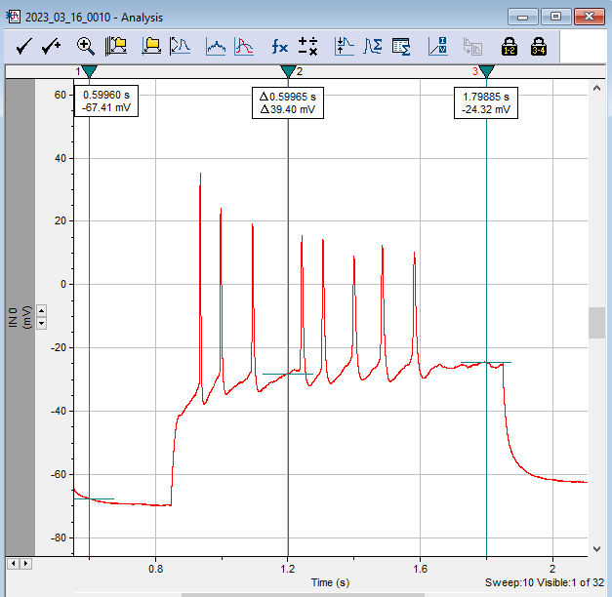

2023-03-16-0010 | Sweep | current pA | # of AP | Normalized | 2023-03-16-0011 | Sweep | current pA | # of AP | normalized | Fold increase
Control | 1 | 0 | 0 | 0 | CMZ 1 µM | 1 | 0 | 0 | 0 | 1
 | 2 | 10 | 0 | 0 |  | 2 | 10 | 0 | 0 | 1
 | 3 | 20 | 0 | 0 |  | 3 | 20 | 0 | 0 | 1.00
 | 4 | 30 | 0 | 0 |  | 4 | 30 | 0 | 0 | 1.00
Representative | 5 | 40 | 0 | 0 |  | 5 | 40 | 0 | 0 | 1.00
 | 6 | 50 | 1 | 0.31067961165 |  | 6 | 50 | 2 | 0.6213592233 | 2.00
 | 7 | 60 | 2 | 0.6213592233 |  | 7 | 60 | 4 | 1.2427184466 | 2.00
 | 8 | 70 | 4 | 1.2427184466 |  | 8 | 70 | 4 | 1.2427184466 | 1.00
 | 9 | 80 | 6 | 1.8640776699 |  | 9 | 80 | 8 | 2.4854368932 | 1.33
 | 10 | 90 | 8 | 2.4854368932 |  | 10 | 90 | 12 | 3.7281553398 | 1.50
 | 11 | 100 | 5 | 1.5533980583 |  | 11 | 100 | 9 | 2.7961165049 | 1.80
 | 12 | 110 | 8 | 2.4854368932 |  | 12 | 110 | 8 | 2.4854368932 | 1.00
 | 13 | 120 | 6 | 1.8640776699 |  | 13 | 120 | 8 | 2.4854368932 | 1.33
 | 14 | 130 | 6 | 1.8640776699 |  | 14 | 130 | 6 | 1.8640776699 | 1.00
 | 15 | 140 | 6 | 1.8640776699 |  | 15 | 140 | 5 | 1.5533980583 | 0.83
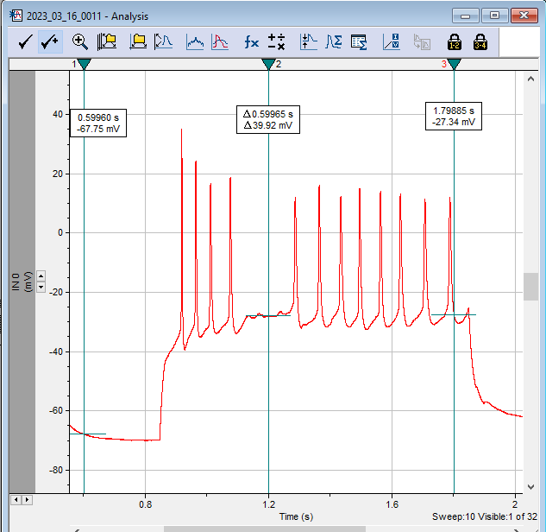
 | 16 | 150 | 3 | 0.93203883495 |  | 16 | 150 | 5 | 1.5533980583 | 1.67
 | 17 | 160 | 4 | 1.2427184466 |  | 17 | 160 | 4 | 1.2427184466 | 1.00
 | 18 | 170 | 4 | 1.2427184466 |  | 18 | 170 | 4 | 1.2427184466 | 1.00
 | 19 | 180 | 4 | 1.2427184466 |  | 19 | 180 | 3 | 0.93203883495 | 0.75
 | 20 | 190 | 3 | 0.93203883495 |  | 20 | 190 | 4 | 1.2427184466 | 1.33
 | 21 | 200 | 3 | 0.93203883495 |  | 21 | 200 | 4 | 1.2427184466 | 1.33
 | 22 | 210 | 3 | 0.93203883495 |  | 22 | 210 | 3 | 0.93203883495 | 1.00
 | 23 | 220 | 3 | 0.93203883495 |  | 23 | 220 | 3 | 0.93203883495 | 1.00
 | 24 | 230 | 3 | 0.93203883495 |  | 24 | 230 | 3 | 0.93203883495 | 1.00
 | 25 | 240 | 3 | 0.93203883495 |  | 25 | 240 | 3 | 0.93203883495 | 1.00
 | 26 | 250 | 3 | 0.93203883495 |  | 26 | 250 | 3 | 0.93203883495 | 1.00
 | 27 | 260 | 3 | 0.93203883495 |  | 27 | 260 | 3 | 0.93203883495 | 1.00
 | 28 | 270 | 3 | 0.93203883495 |  | 28 | 270 | 3 | 0.93203883495 | 1.00
 | 29 | 280 | 3 | 0.93203883495 |  | 29 | 280 | 3 | 0.93203883495 | 1.00
 | 30 | 290 | 2 | 0.6213592233 |  | 30 | 290 | 2 | 0.6213592233 | 1.00
 | 31 | 300 | 2 | 0.6213592233 |  | 31 | 300 | 3 | 0.93203883495 | 1.50
 | 32 | 310 | 2 | 0.6213592233 |  | 32 | 310 | 2 | 0.6213592233 | 1.00
 | mean |  | 3.21875 |  |  | mean |  | 3.78125

2023_03_16_0015
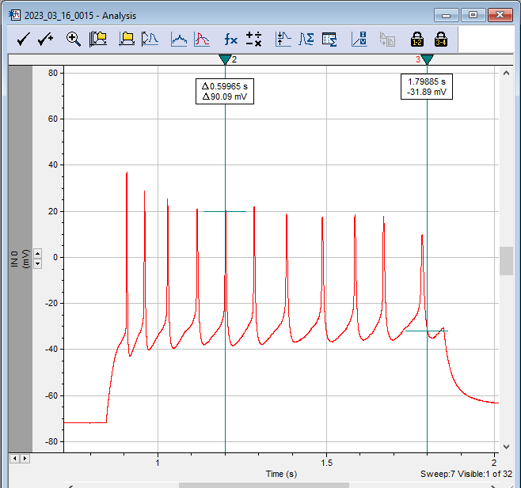
2023-03-16-0015 | Sweep | current pA | # of AP | Normalized | 2023-03-16-0016 | Sweep | current pA | # of AP | normalized | Fold increase
Control | 1 | 0 | 0 | 0 | CMZ 1 µM | 1 | 0 | 0 | 0 | 1
 | 2 | 10 | 0 | 0 |  | 2 | 10 | 0 | 0 | 1
 | 3 | 20 | 0 | 0 |  | 3 | 20 | 0 | 0 | 1.00
 | 4 | 30 | 1 | 0.32 |  | 4 | 30 | 3 | 0.96 | 3.00
Representative | 5 | 40 | 3 | 0.96 |  | 5 | 40 | 3 | 0.96 | 1.00
 | 6 | 50 | 4 | 1.28 |  | 6 | 50 | 7 | 2.24 | 1.75
 | 7 | 60 | 11 | 3.52 |  | 7 | 60 | 12 | 3.84 | 1.09
 | 8 | 70 | 8 | 2.56 |  | 8 | 70 | 11 | 3.52 | 1.38
 | 9 | 80 | 9 | 2.88 |  | 9 | 80 | 11 | 3.52 | 1.22
 | 10 | 90 | 8 | 2.56 |  | 10 | 90 | 5 | 1.6 | 0.63
 | 11 | 100 | 4 | 1.28 |  | 11 | 100 | 6 | 1.92 | 1.50
 | 12 | 110 | 4 | 1.28 |  | 12 | 110 | 5 | 1.6 | 1.25
 | 13 | 120 | 4 | 1.28 |  | 13 | 120 | 4 | 1.28 | 1.00
 | 14 | 130 | 3 | 0.96 |  | 14 | 130 | 4 | 1.28 | 1.33
 | 15 | 140 | 2 | 0.64 |  | 15 | 140 | 3 | 0.96 | 1.50
 | 16 | 150 | 3 | 0.96 |  | 16 | 150 | 3 | 0.96 | 1.00
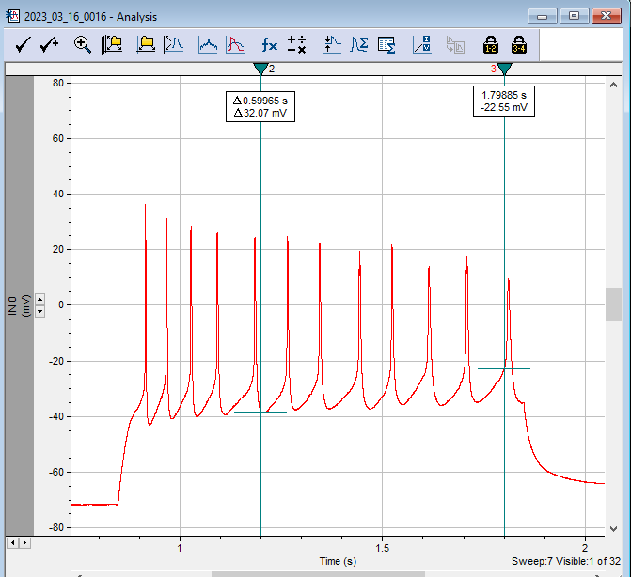
 | 17 | 160 | 3 | 0.96 |  | 17 | 160 | 3 | 0.96 | 1.00
 | 18 | 170 | 3 | 0.96 |  | 18 | 170 | 3 | 0.96 | 1.00
 | 19 | 180 | 3 | 0.96 |  | 19 | 180 | 3 | 0.96 | 1.00
 | 20 | 190 | 3 | 0.96 |  | 20 | 190 | 3 | 0.96 | 1.00
 | 21 | 200 | 2 | 0.64 |  | 21 | 200 | 3 | 0.96 | 1.50
 | 22 | 210 | 2 | 0.64 |  | 22 | 210 | 3 | 0.96 | 1.50
 | 23 | 220 | 2 | 0.64 |  | 23 | 220 | 2 | 0.64 | 1.00
 | 24 | 230 | 2 | 0.64 |  | 24 | 230 | 2 | 0.64 | 1.00
 | 25 | 240 | 2 | 0.64 |  | 25 | 240 | 2 | 0.64 | 1.00
 | 26 | 250 | 2 | 0.64 |  | 26 | 250 | 2 | 0.64 | 1.00
 | 27 | 260 | 2 | 0.64 |  | 27 | 260 | 2 | 0.64 | 1.00
 | 28 | 270 | 2 | 0.64 |  | 28 | 270 | 2 | 0.64 | 1.00
 | 29 | 280 | 2 | 0.64 |  | 29 | 280 | 2 | 0.64 | 1.00
 | 30 | 290 | 2 | 0.64 |  | 30 | 290 | 2 | 0.64 | 1.00
 | 31 | 300 | 2 | 0.64 |  | 31 | 300 | 2 | 0.64 | 1.00
 | 32 | 310 | 2 | 0.64 |  | 32 | 310 | 2 | 0.64 | 1.00
 | mean |  | 3.125 |  |  | mean |  | 3.59375

2023_03_17_0001
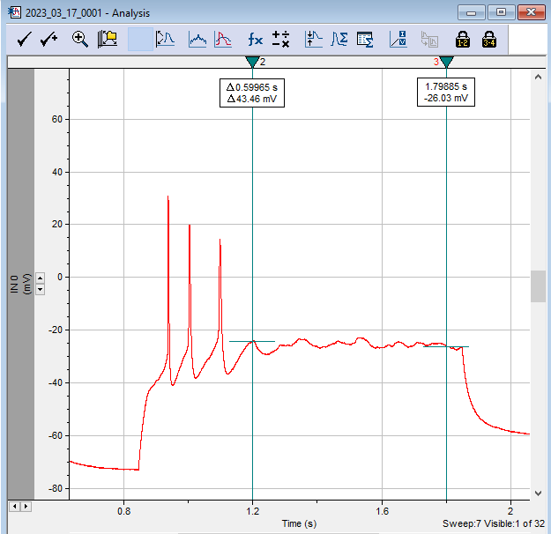
2023-03-17-0001 | Sweep | current pA | # of AP | Normalized | 2023-03-17-0002 | Sweep | current pA | # of AP | normalized | Fold increase
Control | 1 | 0 | 0 | 0 | CMZ 1 µM | 1 | 0 | 0 | 0 | 1
 | 2 | 10 | 0 | 0 |  | 2 | 10 | 0 | 0 | 1
 | 3 | 20 | 0 | 0 |  | 3 | 20 | 0 | 0 | 1.00
 | 4 | 30 | 1 | 0.4776119403 |  | 4 | 30 | 1 | 0.4776119403 | 1.00
Representative | 5 | 40 | 2 | 0.9552238806 |  | 5 | 40 | 2 | 0.9552238806 | 1.00
 | 6 | 50 | 4 | 1.9104477612 |  | 6 | 50 | 3 | 1.4328358209 | 0.75
 | 7 | 60 | 3 | 1.4328358209 |  | 7 | 60 | 6 | 2.8656716418 | 2.00
 | 8 | 70 | 4 | 1.9104477612 |  | 8 | 70 | 4 | 1.9104477612 | 1.00
 | 9 | 80 | 3 | 1.4328358209 |  | 9 | 80 | 4 | 1.9104477612 | 1.33
 | 10 | 90 | 3 | 1.4328358209 |  | 10 | 90 | 4 | 1.9104477612 | 1.33
 | 11 | 100 | 3 | 1.4328358209 |  | 11 | 100 | 3 | 1.4328358209 | 1.00
 | 12 | 110 | 3 | 1.4328358209 |  | 12 | 110 | 3 | 1.4328358209 | 1.00
 | 13 | 120 | 3 | 1.4328358209 |  | 13 | 120 | 3 | 1.4328358209 | 1.00
 | 14 | 130 | 3 | 1.4328358209 |  | 14 | 130 | 3 | 1.4328358209 | 1.00
 | 15 | 140 | 2 | 0.9552238806 |  | 15 | 140 | 3 | 1.4328358209 | 1.50
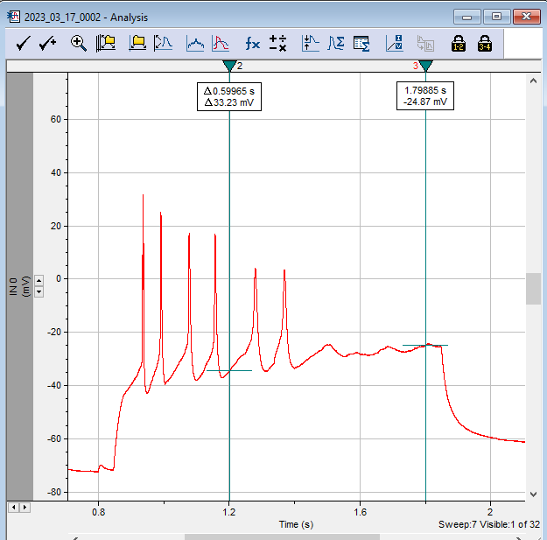
 | 16 | 150 | 2 | 0.9552238806 |  | 16 | 150 | 3 | 1.4328358209 | 1.50
 | 17 | 160 | 2 | 0.9552238806 |  | 17 | 160 | 2 | 0.9552238806 | 1.00
 | 18 | 170 | 2 | 0.9552238806 |  | 18 | 170 | 2 | 0.9552238806 | 1.00
 | 19 | 180 | 2 | 0.9552238806 |  | 19 | 180 | 2 | 0.9552238806 | 1.00
 | 20 | 190 | 2 | 0.9552238806 |  | 20 | 190 | 2 | 0.9552238806 | 1.00
 | 21 | 200 | 2 | 0.9552238806 |  | 21 | 200 | 2 | 0.9552238806 | 1.00
 | 22 | 210 | 2 | 0.9552238806 |  | 22 | 210 | 2 | 0.9552238806 | 1.00
 | 23 | 220 | 2 | 0.9552238806 |  | 23 | 220 | 2 | 0.9552238806 | 1.00
 | 24 | 230 | 2 | 0.9552238806 |  | 24 | 230 | 2 | 0.9552238806 | 1.00
 | 25 | 240 | 2 | 0.9552238806 |  | 25 | 240 | 2 | 0.9552238806 | 1.00
 | 26 | 250 | 2 | 0.9552238806 |  | 26 | 250 | 2 | 0.9552238806 | 1.00
 | 27 | 260 | 2 | 0.9552238806 |  | 27 | 260 | 2 | 0.9552238806 | 1.00
 | 28 | 270 | 2 | 0.9552238806 |  | 28 | 270 | 2 | 0.9552238806 | 1.00
 | 29 | 280 | 2 | 0.9552238806 |  | 29 | 280 | 2 | 0.9552238806 | 1.00
 | 30 | 290 | 2 | 0.9552238806 |  | 30 | 290 | 2 | 0.9552238806 | 1.00
 | 31 | 300 | 2 | 0.9552238806 |  | 31 | 300 | 2 | 0.9552238806 | 1.00
 | 32 | 310 | 1 | 0.4776119403 |  | 32 | 310 | 2 | 0.9552238806 | 2.00
 | mean |  | 2.09375 |  |  | mean |  | 2.3125

2023_03_17_0006
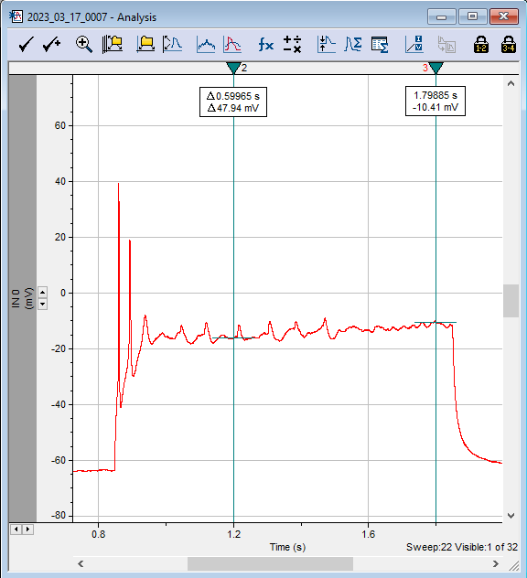
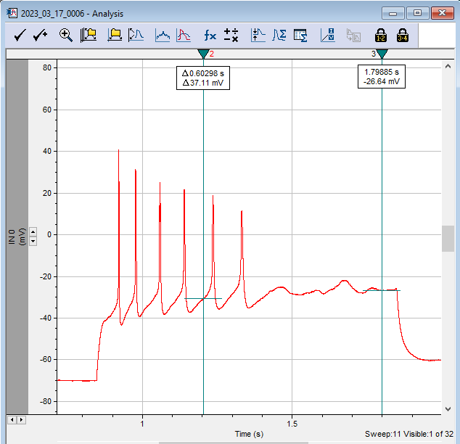
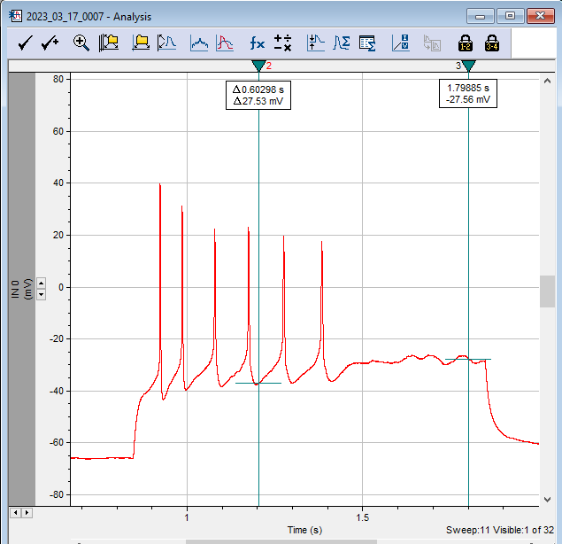
2023-03-17-0006 | Sweep | current pA | # of AP | Normalized | 2023-03-17-0007 | Sweep | current pA | # of AP | normalized | Fold increase | 2023-03-17-0007 | Sweep | current pA | # of AP | normalized | Fold increase
Control | 1 | 0 | 0 | 0 | CMZ 1 µM | 1 | 0 | 0 | 0 |  | CMZ 1 µM | 1 | 0 | 0 | 0
 | 2 | 10 | 0 | 0 |  | 2 | 10 | 0 | 0 |  |  | 2 | 10 | 0 | 0
 | 3 | 20 | 0 | 0 |  | 3 | 20 | 0 | 0 |  |  | 3 | 20 | 0 | 0
 | 4 | 30 | 0 | 0 |  | 4 | 30 | 0 | 0 |  |  | 4 | 30 | 0 | 0
Representative | 5 | 40 | 0 | 0 |  | 5 | 40 | 0 | 0 |  |  | 5 | 40 | 0 | 0
 | 6 | 50 | 1 | 0.3595505618 |  | 6 | 50 | 1 | 0.3595505618 | 1.00 |  | 6 | 50 | 1 | 0.3595505618
 | 7 | 60 | 2 | 0.7191011236 |  | 7 | 60 | 3 | 1.0786516854 | 1.50 |  | 7 | 60 | 3 | 1.0786516854
 | 8 | 70 | 3 | 1.0786516854 |  | 8 | 70 | 4 | 1.4382022472 | 1.33 |  | 8 | 70 | 4 | 1.4382022472
 | 9 | 80 | 3 | 1.0786516854 |  | 9 | 80 | 2 | 0.7191011236 | 0.67 |  | 9 | 80 | 2 | 0.7191011236
 | 10 | 90 | 6 | 2.1573033708 |  | 10 | 90 | 3 | 1.0786516854 | 0.50 |  | 10 | 90 | 3 | 1.0786516854
 | 11 | 100 | 6 | 2.1573033708 |  | 11 | 100 | 6 | 2.1573033708 | 1.00 |  | 11 | 100 | 6 | 2.1573033708
 | 12 | 110 | 5 | 1.797752809 |  | 12 | 110 | 5 | 1.797752809 | 1.00 |  | 12 | 110 | 5 | 1.797752809
 | 13 | 120 | 5 | 1.797752809 |  | 13 | 120 | 4 | 1.4382022472 | 0.80 |  | 13 | 120 | 4 | 1.4382022472
 | 14 | 130 | 5 | 1.797752809 |  | 14 | 130 | 5 | 1.797752809 | 1.00 |  | 14 | 130 | 5 | 1.797752809
 | 15 | 140 | 5 | 1.797752809 |  | 15 | 140 | 4 | 1.4382022472 | 0.80 |  | 15 | 140 | 6 | 2.1573033708 |  | From sweep 15 on, small APs appeared
 | 16 | 150 | 4 | 1.4382022472 |  | 16 | 150 | 4 | 1.4382022472 | 1.00 |  | 16 | 150 | 7 | 2.5168539326
 | 17 | 160 | 4 | 1.4382022472 |  | 17 | 160 | 4 | 1.4382022472 | 1.00 |  | 17 | 160 | 8 | 2.8764044944
 | 18 | 170 | 4 | 1.4382022472 |  | 18 | 170 | 4 | 1.4382022472 | 1.00 |  | 18 | 170 | 8 | 2.8764044944
 | 19 | 180 | 3 | 1.0786516854 |  | 19 | 180 | 4 | 1.4382022472 | 1.33 |  | 19 | 180 | 6 | 2.1573033708
 | 20 | 190 | 3 | 1.0786516854 |  | 20 | 190 | 3 | 1.0786516854 | 1.00 |  | 20 | 190 | 6 | 2.1573033708
 | 21 | 200 | 3 | 1.0786516854 |  | 21 | 200 | 3 | 1.0786516854 | 1.00 |  | 21 | 200 | 8 | 2.8764044944
 | 22 | 210 | 3 | 1.0786516854 |  | 22 | 210 | 3 | 1.0786516854 | 1.00 |  | 22 | 210 | 9 | 3.2359550562
 | 23 | 220 | 2 | 0.7191011236 |  | 23 | 220 | 3 | 1.0786516854 | 1.50 |  | 23 | 220 | 7 | 2.5168539326
 | 24 | 230 | 3 | 1.0786516854 |  | 24 | 230 | 2 | 0.7191011236 | 0.67 |  | 24 | 230 | 8 | 2.8764044944
 | 25 | 240 | 2 | 0.7191011236 |  | 25 | 240 | 3 | 1.0786516854 | 1.50 |  | 25 | 240 | 9 | 3.2359550562
 | 26 | 250 | 3 | 1.0786516854 |  | 26 | 250 | 3 | 1.0786516854 | 1.00 |  | 26 | 250 | 9 | 3.2359550562
 | 27 | 260 | 3 | 1.0786516854 |  | 27 | 260 | 3 | 1.0786516854 | 1.00 |  | 27 | 260 | 8 | 2.8764044944
 | 28 | 270 | 3 | 1.0786516854 |  | 28 | 270 | 3 | 1.0786516854 | 1.00 |  | 28 | 270 | 10 | 3.595505618
 | 29 | 280 | 2 | 0.7191011236 |  | 29 | 280 | 2 | 0.7191011236 | 1.00 |  | 29 | 280 | 7 | 2.5168539326
 | 30 | 290 | 2 | 0.7191011236 |  | 30 | 290 | 2 | 0.7191011236 | 1.00 |  | 30 | 290 | 10 | 3.595505618
 | 31 | 300 | 2 | 0.7191011236 |  | 31 | 300 | 2 | 0.7191011236 | 1.00 |  | 31 | 300 | 9 | 3.2359550562
 | 32 | 310 | 2 | 0.7191011236 |  | 32 | 310 | 2 | 0.7191011236 | 1.00 |  | 32 | 310 | 11 | 3.9550561798
 | mean |  | 2.78125 |  |  | mean |  | 2.71875 |  |  |  | mean |  | 5.59375

2023_03_21_0000
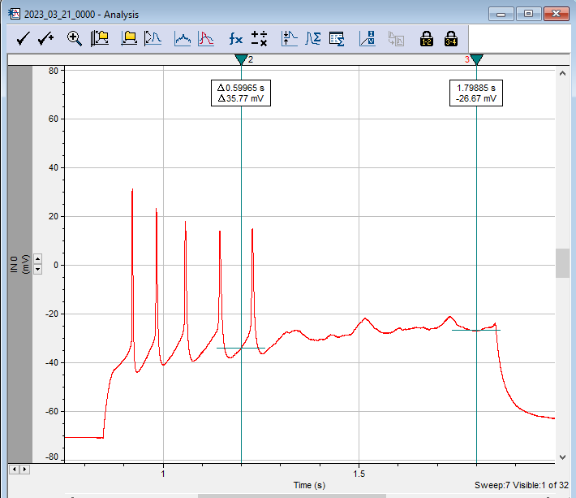
2023-03-21-0000 | Sweep | current pA | # of AP | Normalized | 2023-03-21-0001 | Sweep | current pA | # of AP | normalized | Fold increase
Control | 1 | 0 | 0 | 0 | CMZ 1 µM | 1 | 0 | 0 | 0 | 1
 | 2 | 10 | 0 | 0 |  | 2 | 10 | 0 | 0 | 1
 | 3 | 20 | 0 | 0 |  | 3 | 20 | 0 | 0 | 1.00
 | 4 | 30 | 0 | 0 |  | 4 | 30 | 0 | 0 | 1.00
Representative | 5 | 40 | 3 | 1.3714285714 |  | 5 | 40 | 5 | 2.2857142857 | 1.00
 | 6 | 50 | 4 | 1.8285714286 |  | 6 | 50 | 3 | 1.3714285714 | 0.75
 | 7 | 60 | 5 | 2.2857142857 |  | 7 | 60 | 8 | 3.6571428571 | 1.60
 | 8 | 70 | 5 | 2.2857142857 |  | 8 | 70 | 6 | 2.7428571429 | 1.20
 | 9 | 80 | 3 | 1.3714285714 |  | 9 | 80 | 4 | 1.8285714286 | 1.33
 | 10 | 90 | 3 | 1.3714285714 |  | 10 | 90 | 3 | 1.3714285714 | 1.00
 | 11 | 100 | 3 | 1.3714285714 |  | 11 | 100 | 3 | 1.3714285714 | 1.00
 | 12 | 110 | 3 | 1.3714285714 |  | 12 | 110 | 3 | 1.3714285714 | 1.00
 | 13 | 120 | 3 | 1.3714285714 |  | 13 | 120 | 3 | 1.3714285714 | 1.00
 | 14 | 130 | 2 | 0.91428571429 |  | 14 | 130 | 3 | 1.3714285714 | 1.50
 | 15 | 140 | 2 | 0.91428571429 |  | 15 | 140 | 2 | 0.91428571429 | 1.00
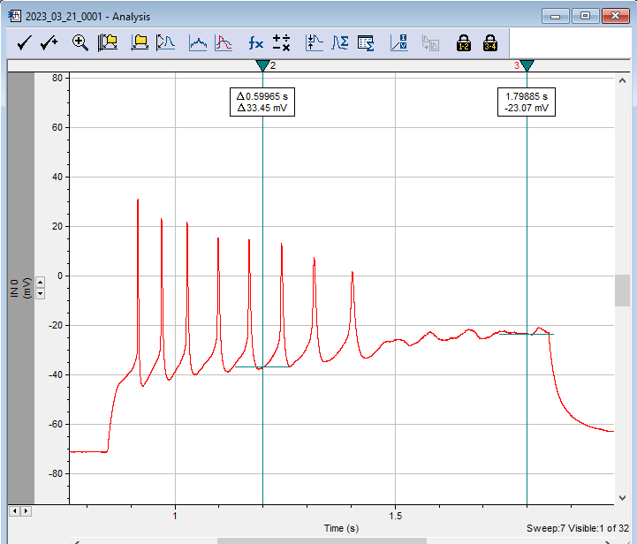
 | 16 | 150 | 2 | 0.91428571429 |  | 16 | 150 | 3 | 1.3714285714 | 1.50
 | 17 | 160 | 2 | 0.91428571429 |  | 17 | 160 | 2 | 0.91428571429 | 1.00
 | 18 | 170 | 2 | 0.91428571429 |  | 18 | 170 | 2 | 0.91428571429 | 1.00
 | 19 | 180 | 2 | 0.91428571429 |  | 19 | 180 | 2 | 0.91428571429 | 1.00
 | 20 | 190 | 2 | 0.91428571429 |  | 20 | 190 | 2 | 0.91428571429 | 1.00
 | 21 | 200 | 2 | 0.91428571429 |  | 21 | 200 | 2 | 0.91428571429 | 1.00
 | 22 | 210 | 2 | 0.91428571429 |  | 22 | 210 | 2 | 0.91428571429 | 1.00
 | 23 | 220 | 2 | 0.91428571429 |  | 23 | 220 | 2 | 0.91428571429 | 1.00
 | 24 | 230 | 2 | 0.91428571429 |  | 24 | 230 | 2 | 0.91428571429 | 1.00
 | 25 | 240 | 2 | 0.91428571429 |  | 25 | 240 | 2 | 0.91428571429 | 1.00
 | 26 | 250 | 2 | 0.91428571429 |  | 26 | 250 | 2 | 0.91428571429 | 1.00
 | 27 | 260 | 2 | 0.91428571429 |  | 27 | 260 | 2 | 0.91428571429 | 1.00
 | 28 | 270 | 2 | 0.91428571429 |  | 28 | 270 | 2 | 0.91428571429 | 1.00
 | 29 | 280 | 2 | 0.91428571429 |  | 29 | 280 | 2 | 0.91428571429 | 1.00
 | 30 | 290 | 2 | 0.91428571429 |  | 30 | 290 | 2 | 0.91428571429 | 1.00
 | 31 | 300 | 2 | 0.91428571429 |  | 31 | 300 | 2 | 0.91428571429 | 1.00
 | 32 | 310 | 2 | 0.91428571429 |  | 32 | 310 | 2 | 0.91428571429 | 1.00
 | mean |  | 2.1875 |  |  | mean |  | 2.4375

2023_03_21_0002
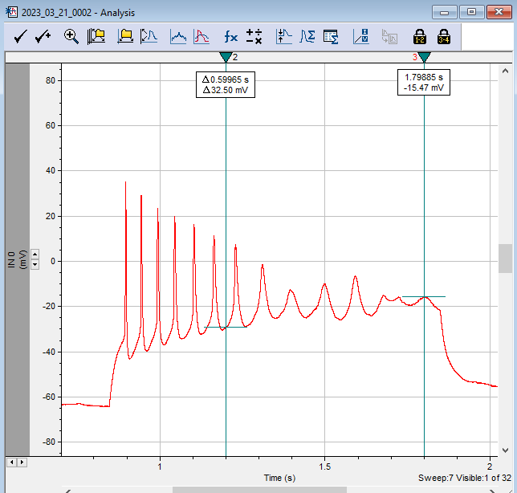

2023-03-21-0002 | Sweep | current pA | # of AP | Normalized | 2023-03-21-0004 | Sweep | current pA | # of AP | normalized | Fold increase
Control | 1 | 0 | 0 | 0 | CMZ 1 µM | 1 | 0 | 0 | 0 | 1
 | 2 | 10 | 0 | 0 |  | 2 | 10 | 0 | 0 | 1
 | 3 | 20 | 0 | 0 |  | 3 | 20 | 0 | 0 | 1.00
 | 4 | 30 | 5 | 1.3559322034 |  | 4 | 30 | 0 | 0 | 1.00
Representative | 5 | 40 | 9 | 2.4406779661 |  | 5 | 40 | 4 | 1.0847457627 | 1.00
 | 6 | 50 | 12 | 3.2542372881 |  | 6 | 50 | 10 | 2.7118644068 | 0.83
 | 7 | 60 | 8 | 2.1694915254 |  | 7 | 60 | 13 | 3.5254237288 | 1.63
 | 8 | 70 | 8 | 2.1694915254 |  | 8 | 70 | 14 | 3.7966101695 | 1.75
 | 9 | 80 | 7 | 1.8983050847 |  | 9 | 80 | 11 | 2.9830508475 | 1.57
 | 10 | 90 | 6 | 1.6271186441 |  | 10 | 90 | 8 | 2.1694915254 | 1.33
 | 11 | 100 | 5 | 1.3559322034 |  | 11 | 100 | 7 | 1.8983050847 | 1.40
 | 12 | 110 | 5 | 1.3559322034 |  | 12 | 110 | 5 | 1.3559322034 | 1.00
 | 13 | 120 | 4 | 1.0847457627 |  | 13 | 120 | 5 | 1.3559322034 | 1.25
 | 14 | 130 | 4 | 1.0847457627 |  | 14 | 130 | 5 | 1.3559322034 | 1.25
 | 15 | 140 | 4 | 1.0847457627 |  | 15 | 140 | 5 | 1.3559322034 | 1.25
 | 16 | 150 | 3 | 0.81355932203 |  | 16 | 150 | 4 | 1.0847457627 | 1.33
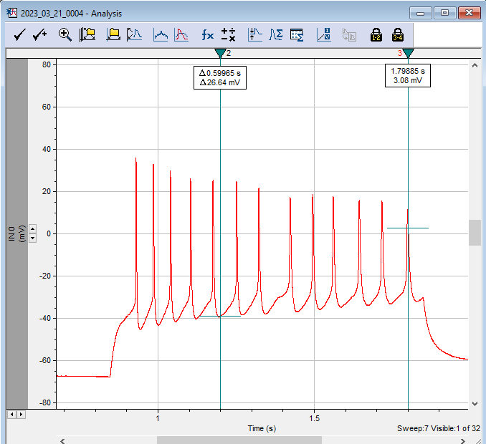
 | 17 | 160 | 3 | 0.81355932203 |  | 17 | 160 | 3 | 0.81355932203 | 1.00
 | 18 | 170 | 3 | 0.81355932203 |  | 18 | 170 | 3 | 0.81355932203 | 1.00
 | 19 | 180 | 3 | 0.81355932203 |  | 19 | 180 | 3 | 0.81355932203 | 1.00
 | 20 | 190 | 3 | 0.81355932203 |  | 20 | 190 | 3 | 0.81355932203 | 1.00
 | 21 | 200 | 3 | 0.81355932203 |  | 21 | 200 | 3 | 0.81355932203 | 1.00
 | 22 | 210 | 3 | 0.81355932203 |  | 22 | 210 | 2 | 0.54237288136 | 0.67
 | 23 | 220 | 2 | 0.54237288136 |  | 23 | 220 | 2 | 0.54237288136 | 1.00
 | 24 | 230 | 2 | 0.54237288136 |  | 24 | 230 | 2 | 0.54237288136 | 1.00
 | 25 | 240 | 2 | 0.54237288136 |  | 25 | 240 | 2 | 0.54237288136 | 1.00
 | 26 | 250 | 2 | 0.54237288136 |  | 26 | 250 | 2 | 0.54237288136 | 1.00
 | 27 | 260 | 2 | 0.54237288136 |  | 27 | 260 | 2 | 0.54237288136 | 1.00
 | 28 | 270 | 2 | 0.54237288136 |  | 28 | 270 | 2 | 0.54237288136 | 1.00
 | 29 | 280 | 2 | 0.54237288136 |  | 29 | 280 | 2 | 0.54237288136 | 1.00
 | 30 | 290 | 2 | 0.54237288136 |  | 30 | 290 | 2 | 0.54237288136 | 1.00
 | 31 | 300 | 2 | 0.54237288136 |  | 31 | 300 | 2 | 0.54237288136 | 1.00
 | 32 | 310 | 2 | 0.54237288136 |  | 32 | 310 | 2 | 0.54237288136 | 1.00
 | mean |  | 3.6875 |  |  | mean |  | 4

